Tabelle1
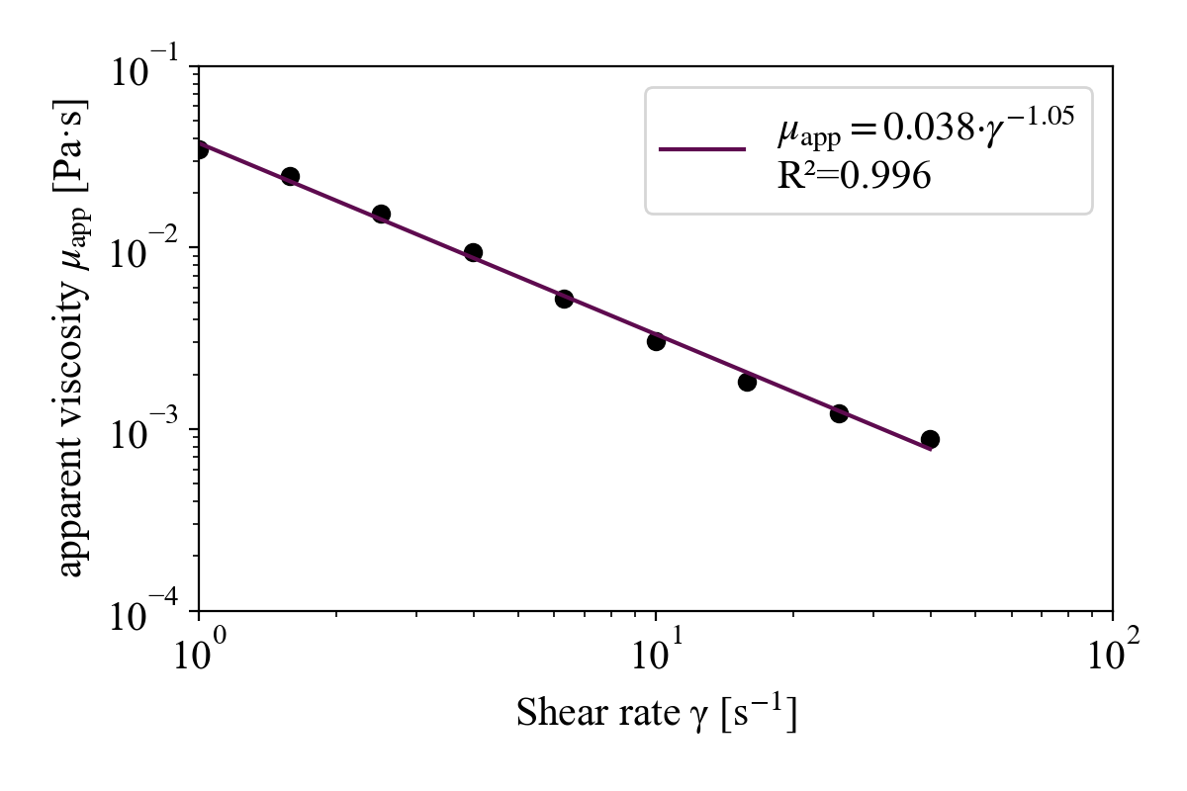
Index | Sample Name |  | texp (s) | t (s) | T (°C) | sigma (Pa) | gamma (s^-1) | eta (Pas) | F(N) | N1 (Pa) | g (mm) | tau (Nm) | (gsigma(rad/s) | steady state | sigmaabs (rad | Note | gamma (s^-1) | eta (Pas)
1 | Enter sample name... (3) | Viscometry shear rate table | 9.92E+02 | 90 | 30 | 3.63E-02 | 1.00E-01 | 3.63E-01 | -1.74E-02 | NaN | 1 | 2.17E-06 | 8.68E-03 | 1.052 | 6.11E-03 | K015 | -1.0000868676 | -0.44033272161
2 | Enter sample name... (3) | Viscometry shear rate table | 1.08E+03 | 180 | 30 | 3.09E-02 | 1.59E-01 | 1.95E-01 | -1.82E-02 | NaN | 1 | 1.85E-06 | 1.38E-02 | 1.013 | 1.24E+00 | K015 | -0.79997073345 | -0.70929775671
3 | Enter sample name... (3) | Viscometry shear rate table | 1.17E+03 | 270 | 30 | 3.17E-02 | 2.51E-01 | 1.26E-01 | -1.89E-02 | NaN | 1 | 1.90E-06 | 2.18E-02 | 9.80E-01 | 3.21E+00 | K015 | -0.59998036493 | -0.89859664944
4 | Enter sample name... (3) | Viscometry shear rate table | 1.26E+03 | 360 | 30 | 3.38E-02 | 3.98E-01 | 8.49E-02 | -1.84E-02 | NaN | 1 | 2.02E-06 | 3.45E-02 | 1.005 | 3.11E-02 | K015 | -0.40000782242 | -1.0711946291
5 | Enter sample name... (3) | Viscometry shear rate table | 1.35E+03 | 450 | 30 | 3.28E-02 | 6.31E-01 | 5.20E-02 | -1.91E-02 | NaN | 1 | 1.96E-06 | 5.48E-02 | 1.106 | 4.96E+00 | K015 | -0.19997064076 | -1.2844144481
6 | Enter sample name... (3) | Viscometry shear rate table | 1.44E+03 | 540 | 30 | 3.50E-02 | 1.00E+00 | 3.50E-02 | -1.95E-02 | NaN | 1 | 2.09E-06 | 8.68E-02 | 0.8824 | 2.01E-01 | K015 | 0 | -1.4563043677
7 | Enter sample name... (3) | Viscometry shear rate table | 1.53E+03 | 630 | 30 | 3.92E-02 | 1.58E+00 | 2.47E-02 | -1.94E-02 | NaN | 1 | 2.35E-06 | 1.38E-01 | 0.9043 | 1.09E-02 | K015 | 0.20002926655 | -1.6069515336
8 | Enter sample name... (3) | Viscometry shear rate table | 1.62E+03 | 720 | 30 | 3.84E-02 | 2.51E+00 | 1.53E-02 | -1.96E-02 | NaN | 1 | 2.30E-06 | 2.18E-01 | 1.087 | 7.76E-01 | K015 | 0.40001963507 | -1.8155925146
9 | Enter sample name... (3) | Viscometry shear rate table | 1.71E+03 | 810.1 | 30 | 3.77E-02 | 3.98E+00 | 9.48E-03 | -1.98E-02 | NaN | 1 | 2.26E-06 | 3.45E-01 | 0.9919 | 4.51E-01 | K015 | 0.59999217758 | -2.0233749479
10 | Enter sample name... (3) | Viscometry shear rate table | 1.80E+03 | 900.1 | 30 | 3.31E-02 | 6.31E+00 | 5.24E-03 | -2.06E-02 | NaN | 1 | 1.98E-06 | 5.48E-01 | 0.9802 | 5.74E+00 | K015 | 0.80002935924 | -2.280337317
11 | Enter sample name... (3) | Viscometry shear rate table | 1.89E+03 | 990.1 | 30 | 3.07E-02 | 1.00E+01 | 3.07E-03 | -2.02E-02 | NaN | 1 | 1.84E-06 | 8.68E-01 | 1.003 | 2.148 | K015 | 1 | -2.5131446447
12 | Enter sample name... (3) | Viscometry shear rate table | 1.98E+03 | 1.08E+03 | 30 | 2.89E-02 | 1.58E+01 | 1.82E-03 | -2.00E-02 | NaN | 1 | 1.73E-06 | 1.38E+00 | 0.9966 | 0.2525 | K015 | 1.2000292666 | -2.7392133313
13 | Enter sample name... (3) | Viscometry shear rate table | 2.07E+03 | 1.17E+03 | 30 | 3.06E-02 | 2.51E+01 | 1.22E-03 | -2.10E-02 | NaN | 1 | 1.83E-06 | 2.18E+00 | 1.021 | 1.635 | K015 | 1.4000196351 | -2.9143527117
14 | Enter sample name... (3) | Viscometry shear rate table | 2.16E+03 | 1.26E+03 | 30 | 3.53E-02 | 3.98E+01 | 8.87E-04 | -2.11E-02 | NaN | 1 | 2.12E-06 | 3.46E+00 | 0.9873 | 4.627 | K015 | 1.5999921776 | -3.0520763802
15 | Enter sample name... (3) | Viscometry shear rate table | 2.25E+03 | 1.35E+03 | 30 | 6.69E-02 | 6.31E+01 | 1.06E-03 | -2.09E-02 | NaN | 1 | 4.01E-06 | 5.48E+00 | 1.032 | 0.9912 | K015 | 1.8000293592 | -2.9746941347
16 | Enter sample name... (3) | Viscometry shear rate table | 2.34E+03 | 1.44E+03 | 30 | 1.28E-01 | 100 | 1.28E-03 | -2.09E-02 | NaN | 1 | 7.68E-06 | 8.68E+00 | 0.9964 | 2.834 | K015 | 2 | -2.8924508703
17 | Enter sample name... (3) | Viscometry shear rate table | 2.43E+03 | 1.53E+03 | 30 | 2.58E-01 | 158.5 | 1.63E-03 | -2.21E-02 | NaN | 1 | 1.54E-05 | 13.75 | 1.002 | 2.688 | K015 | 2.2000292666 | -2.7883455994
18 | Enter sample name... (3) | Viscometry shear rate table | 2.51E+03 | 1.61E+03 | 30 | 5.41E-01 | 251.2 | 2.15E-03 | -2.38E-02 | NaN | 1 | 3.24E-05 | 21.8 | 0.9942 | 0.3281 |  | 2.4000196351 | -2.667157733
19 | Enter sample name... (3) | Viscometry shear rate table | 2.53E+03 | 1.63E+03 | 30 | 1.19E+00 | 3.98E+02 | 2.99E-03 | -2.62E-02 | NaN | 1 | 7.13E-05 | 34.55 | 1.001 | 0.6039 |  | 2.5999921776 | -2.524474085
20 | Enter sample name... (3) | Viscometry shear rate table | 2.56E+03 | 1.65E+03 | 30 | 2.87E+00 | 631 | 4.55E-03 | -3.47E-02 | NaN | 1 | 1.72E-04 | 54.76 | 1 | 0.9669 |  | 2.8000293592 | -2.3417977466
21 | Enter sample name... (3) | Viscometry shear rate table | 2.58E+03 | 1.68E+03 | 29.99 | 6.827 | 1.00E+03 | 6.83E-03 | -0.05977 | NaN | 1 | 4.09E-04 | 86.78 | 1.004 | 2.207 |  | 3 | -2.1657700971

power

 |  |  |  |  |  |  |  |  |  |  | Power
 |  |  |  |  |  |  |  |  |  | K | 0.0339
 |  |  |  |  |  |  |  |  |  | n-1 | -0.008
 |  |  |  |  |  |  |  |  |  | Anmerkung: da ich eta und nicht sigma verwende, ist der Exponent (n-1)

linear
 |  |  |  |  |  |  |  |  |  | linear
 |  |  |  |  |  |  |  |  |  | log(K) | -1.4693 | K | 0.034
 |  |  |  |  |  |  |  |  |  | (n-1) | -1.0083 | n | -0.0083

